Programming Admin
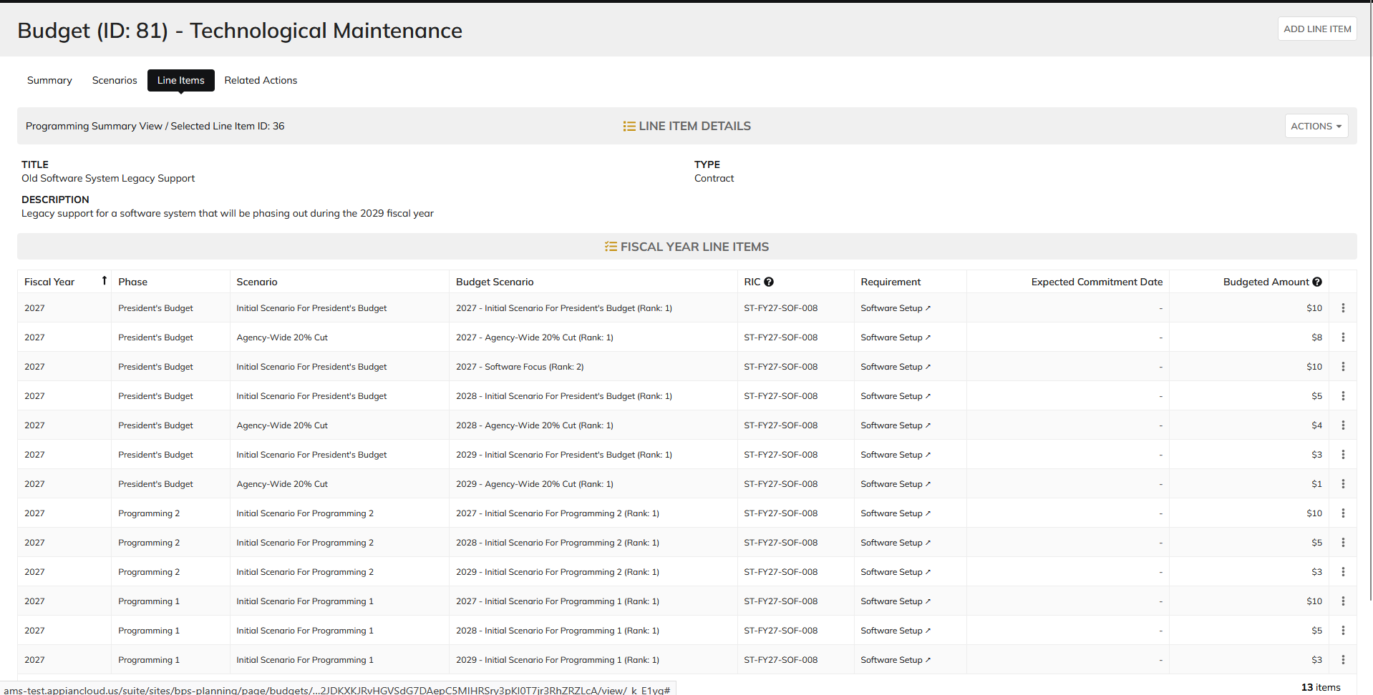
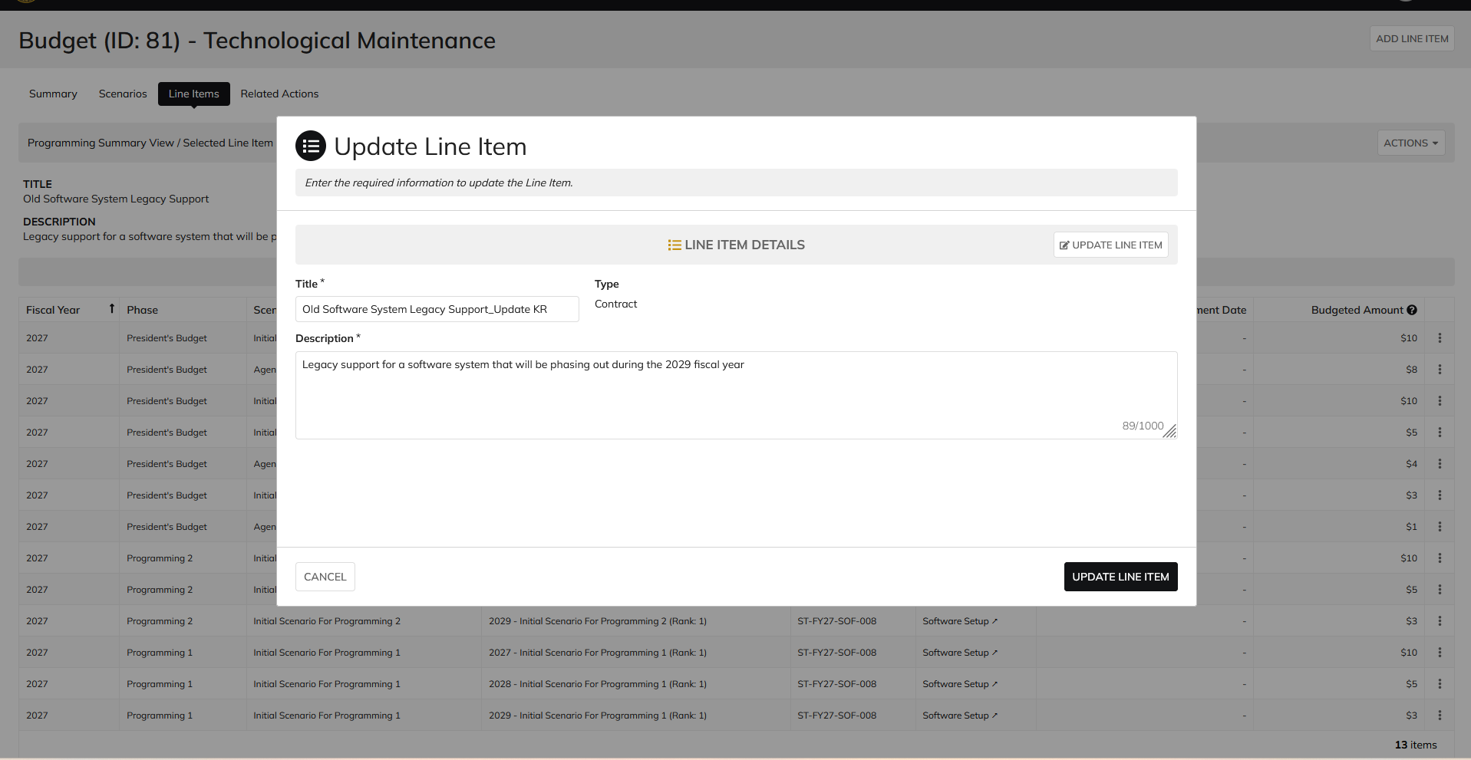
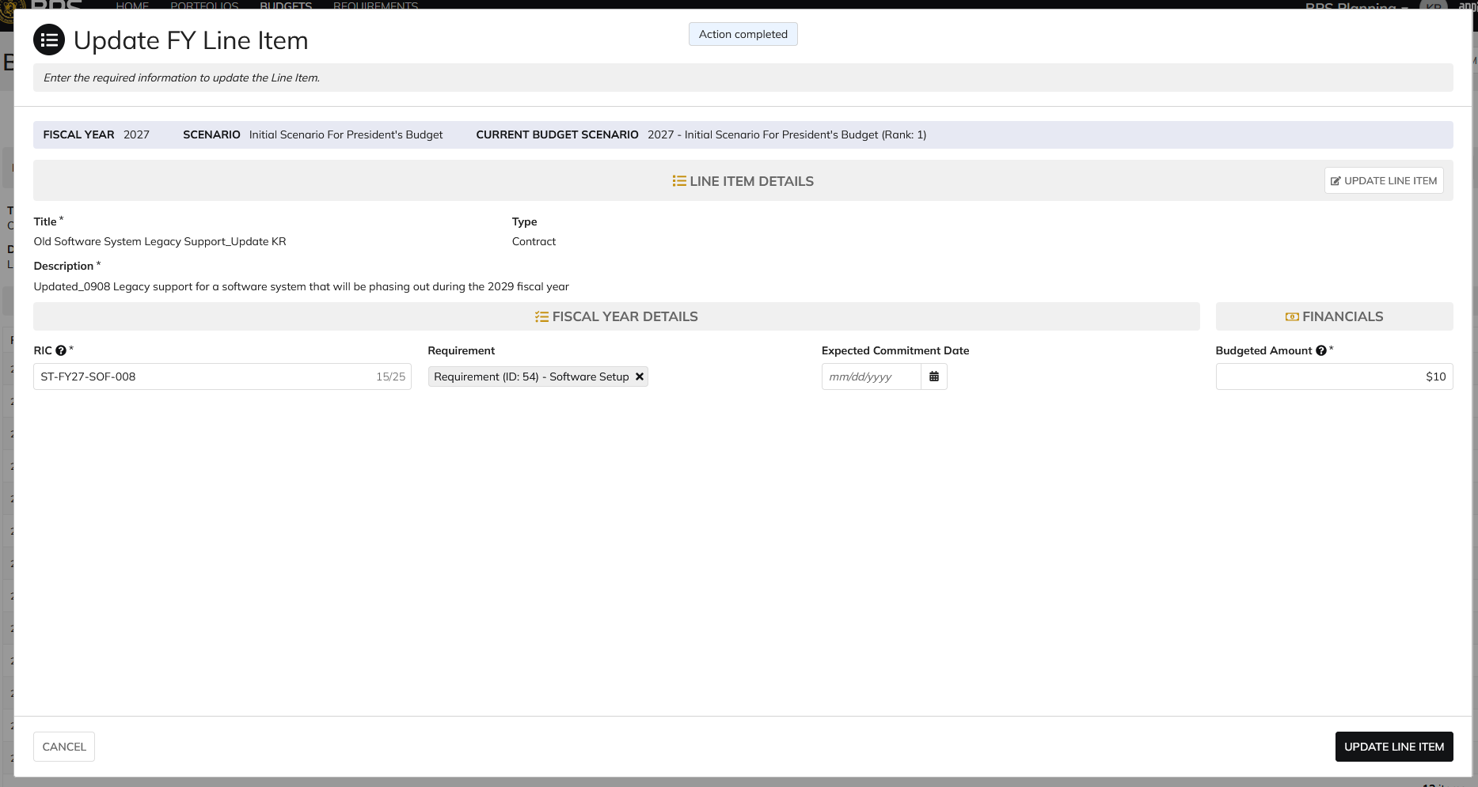
DIABPS Sprint 1.2 - DIABPS-11 TEST CASE SCENARIO |  | TESTER INFO
Test Case ID: | DIABPS_11#01 | Created By: | Kana Raghavan
Test Scenario: | A user with an appropriate role can update a persistent line item | Created On: | 2026-08-24
User Story: | Update a Persistent Line Item | Reviewed By: | Jordan Helman
Story Description: | As a(n) Programming Admin, Manpower Admin, Resource Management Lead, Programming Lead, Manpower Lead, Programming Analyst, or Manpower Analyst, I can update a planning line item, persistent fields. | Reviewed On:
Environment: | GIBS Test | Executed By: | Kana Raghavan
User Role(s): | Programming Admin for (ES/DS) Org | Executed On: | 2026-09-08
Pre-Conditions: | User able to login to Planning module successfully as Programming Admin who is assigned to specific Org
Acceptance Criteria | Acceptance Criteria: The user can update the following fields from https://gcg-jira.atlassian.net/browse/DIABPS-9: Title* Text field, 255 character limit Description* Text field, 1000 character limit The system will record the user who performed the action and the date and time it was performed.

Step Number | Step Description | Input Data | Expected Results | Pass/Fail
STEP 1 | Log in as a user with Programming Admin credential. User should be assigned to a specific Org (ES/DS). https://ams-test.appiancloud.us/suite/ | Username: | User able to login successfully | Pass
STEP 2 | Click on GIBS Planning module on top right dropdown to launch Planning module | N/A | User able to click on dropdown and able to launch Planning module | Pass
STEP 3 | Click on Budgets Tab | N/A | Budget grid is displayed with Budget ID, Name, Org,Portfolio, Org.code and FY Planned | Pass
STEP 4 | Click on Budget ID hyperlink | N/A | Budget details is displayed with several tabs ( Scenarios,Scenario comparison, Funding sources,Line items, Staff review, history, documents and related actions) | Pass
STEP 5 | Click on Scenarios tab | N/A | User able to view Scenario summary grid | Pass
STEP 6 | Under "Selected Scenarios" column click on Dollar amount to view the line items associated with the scenario | N/A | Formulation scenario with the associated line items are displayed | Pass
STEP 7 | User clicks on 3 dots next to "Budgeted Amount" for that line item. Each line item is displayed for each scenario with "Update FY line" option | N/A | User able to hover over the 3 dots and click to open "Update FY line item" window. Window is displayed | Pass
STEP 8 | Update FY line item window is displayed with below fields: Fiscal Year, Scenario Current Budget Scenarios Line Item details Section FISCAL Year details User clicks on "Edit Details" option | N/A | User able to view all the fields in the update line time window | Pass
STEP 9 | User clicks on "Edit Details" option in Line Item details section and below pop up message is displayed "Enable Editing"? These line items are shared across all related fiscal year line items. Any updates made will apply to all related items. Are you sure to want to enable editing"? | Yes | User sees pop up message for editing the line item and clicks Yes | Pass
STEP 10 | Persistent line items "Title" and "Description" fields are available to edit. User able to edit fields and click on "Update line item" option | Title- Test update Description- This is to test case scenario # | User able to edit fields and complete update line item action successfully | Pass

Evidences
 | Login as DS Programming Admin

 | Navigate to Line Items Tab

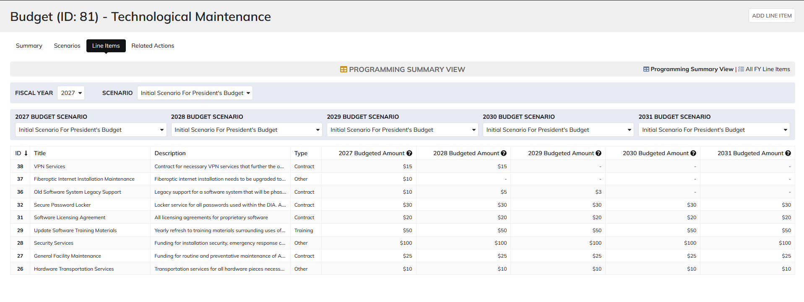

 | Click on Line ID- 36

Programming lead
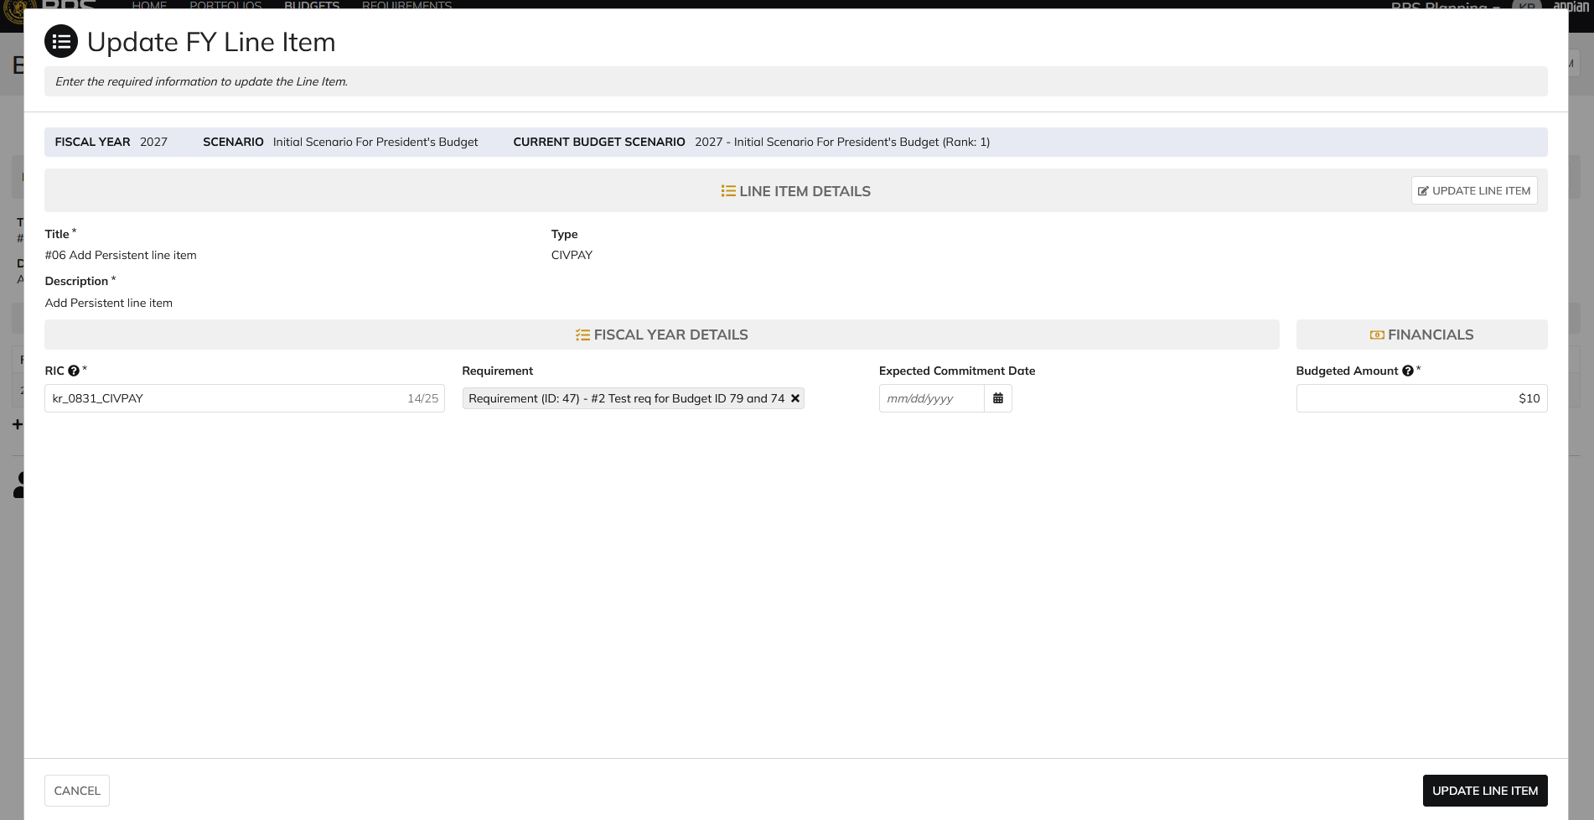
DIABPS Sprint 1.2 - DIABPS_11 TEST CASE SCENARIO |  | TESTER INFO
Test Case ID: | DIABPS_11#02 | Created By: | Kana Raghavan
Test Scenario: | A user with an appropriate role can update a Persistent line item | Created On: | 2026-08-24
User Story: | Update a Persistent Line item | Reviewed By: | Jordan Helman
Story Description: | As a(n) Programming Admin, Manpower Admin, Resource Management Lead, Programming Lead, Manpower Lead, Programming Analyst, or Manpower Analyst, I can update a planning line item, persistent fields. | Reviewed On:
Environment: | GIBS Test | Executed By: | Kana Raghavan
User Role(s): | Programming Admin for (ES/DS) Org | Executed On: | 2026-09-08
Pre-Conditions: | User able to login to Planning module successfully as Programming Admin who is assigned to specific Org
Acceptance Criteria | Acceptance Criteria: The user can update the following fields from https://gcg-jira.atlassian.net/browse/DIABPS-9: Title* Text field, 255 character limit Description* Text field, 1000 character limit The system will record the user who performed the action and the date and time it was performed.

Step Number | Step Description | Input Data | Expected Results | Pass/Fail
STEP 1 | Log in as a user with Programming lead credential. User should be assigned to a specific Org (ES/DS). https://ams-test.appiancloud.us/suite/ | Username: | User able to login successfully | Pass
STEP 2 | Click on GIBS Planning module on top right dropdown to launch Planning module | N/A | User able to click on dropdown and able to launch Planning module | Pass
STEP 3 | Click on Budgets Tab | N/A | Budget grid is displayed with Budget ID, Name, Org,Portfolio, Org.code and FY Planned | Pass
STEP 4 | Click on Budget ID hyperlink | N/A | Budget details is displayed with several tabs ( Scenarios,Scenario comparison, Funding sources,Line items, Staff review, history, documents and related actions) | Pass
STEP 5 | Click on Scenarios tab | N/A | User able to view Scenario summary grid | Pass
STEP 6 | Under "Selected Scenarios" column click on Dollar amount to view the line items associated with the scenario | N/A | Formulation scenario with the associated line items are displayed | Pass
STEP 7 | User clicks on 3 dots next to "Budgeted Amount" for that line item. Each line item is displayed for each scenario with "Update FY line" option | N/A | User able to hover over the 3 dots and click to open "Update FY line item" window. Window is displayed | Pass
STEP 8 | Update FY line item window is displayed with below fields: Fiscal Year, Scenario Current Budget Scenarios Line Item details Section FISCAL Year details User clicks on "Edit Details" option | N/A | User able to view all the fields in the update line time window | Pass
STEP 9 | User clicks on "Edit Details" option in Line Item details section and below pop up message is displayed "Enable Editing"? These line items are shared across all related fiscal year line items. Any updates made will apply to all related items. Are you sure to want to enable editing"? | Yes | User sees pop up message for editing the line item and clicks Yes | Pass
STEP 10 | Persistent line items "Title" and "Description" fields are available to edit. User able to edit fields and click on "Update line item" option | Title- Test update Description- This is to test case scenario # Type- Grant | User able to edit fields and complete update line item action successfully | Pass
STEP 11 | There are multiple ways to update Persistent line item. Above steps are from Scenarios section. Testing will be executed to update line items from Line items tab Programming Summary view Select Formulation scenario and Budget scenario Click on Line ID LIne Item details and FY Details tab is displayed Click on Actions button and update Line item Alternatively- Click on 3 dots next to the FY LINE ITEMS to begin editing | Title- Test update Description- This is to test case scenario # Type- Grant | User able to view Programming summary table and able to edit Persistent line items successfully | Pass

Evidences
 | Login as CFOCIO RMO Programming lead

 | Click on line ID from Programming summary view

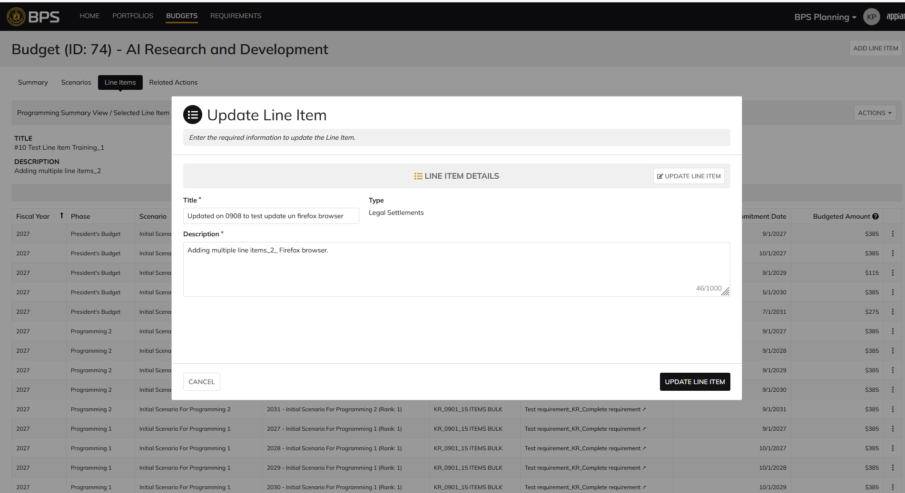

 | Click on 3 dots next FY line item

Manpower Admin
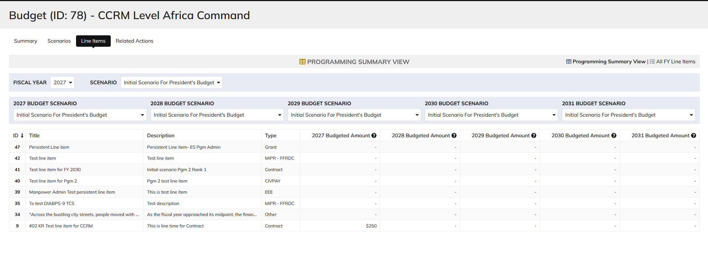
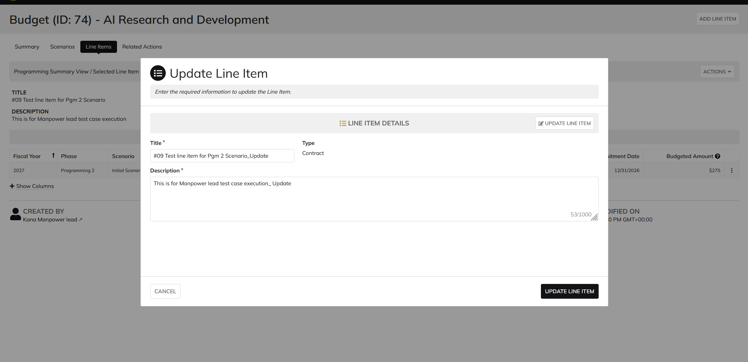
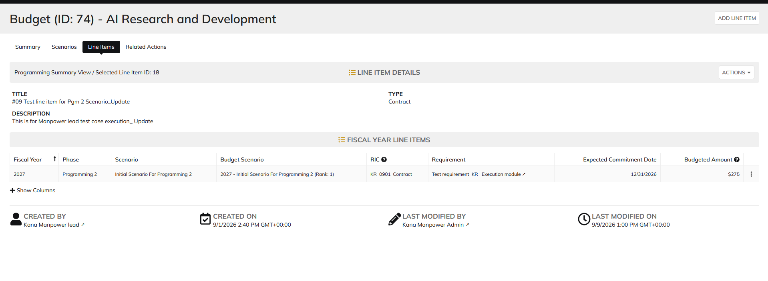
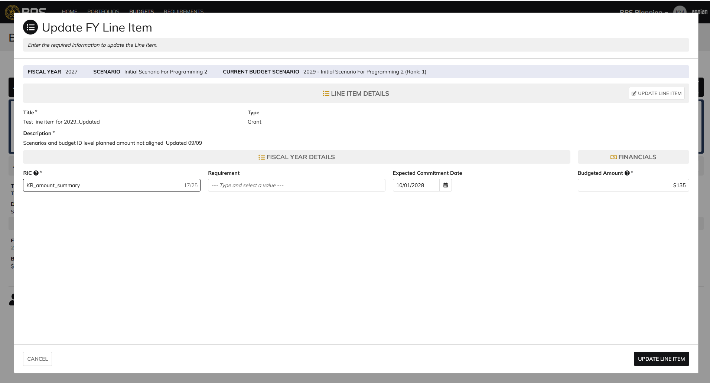
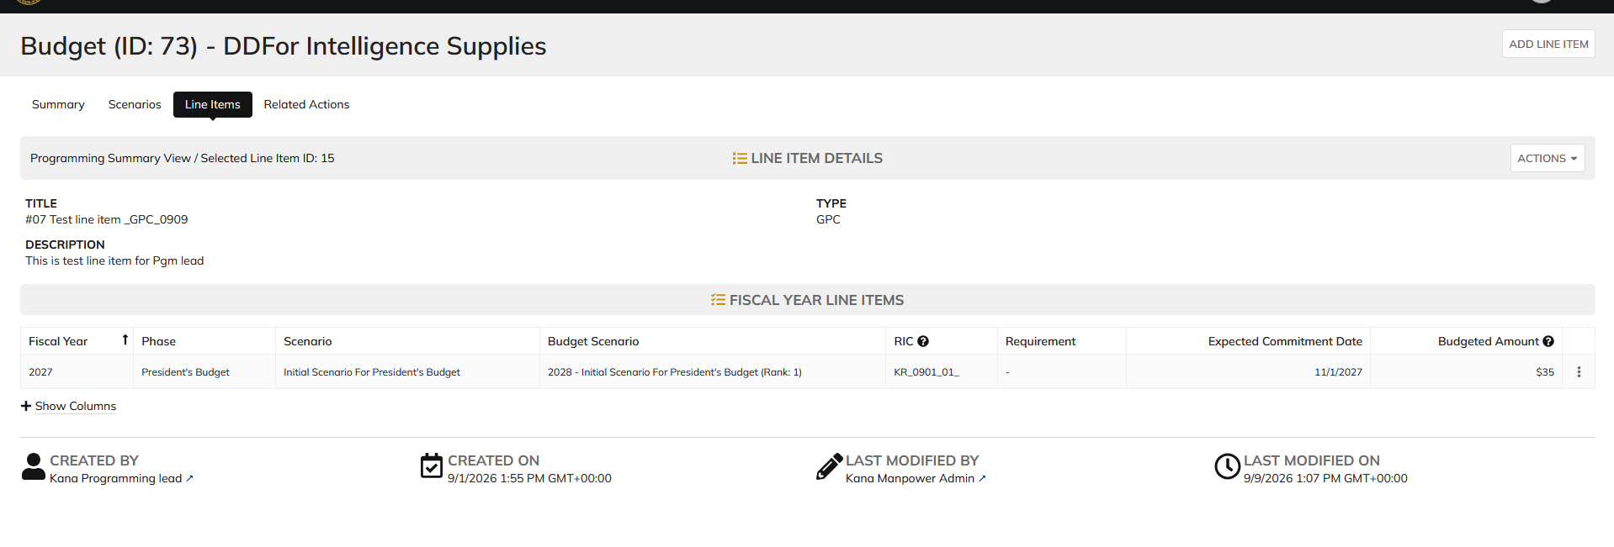
DIABPS Sprint 1.2 - DIABPS-11 TEST CASE SCENARIO |  | TESTER INFO
Test Case ID: | DIABPS_11#03 | Created By: | Kana Raghavan
Test Scenario: | A user with an appropriate role can update a Persistent Line item | Created On: | 2026-08-24
User Story: | Update a Persistent Line Item | Reviewed By: | Jordan Helman
Story Description: | As a(n) Programming Admin, Manpower Admin, Resource Management Lead, Programming Lead, Manpower Lead, Programming Analyst, or Manpower Analyst, I can update a planning line item, persistent fields. | Reviewed On:
Environment: | GIBS Test | Executed By: | Kana Raghavan
User Role(s): | Manpower Admin for (ES/DS) Org | Executed On: | 2026-09-09
Pre-Conditions: | User able to login to Planning module successfully as Manpower Admin who is assigned to specific Org
Acceptance Criteria | Acceptance Criteria: The user can update the following fields from https://gcg-jira.atlassian.net/browse/DIABPS-9: Title* Text field, 255 character limit Description* Text field, 1000 character limit The system will record the user who performed the action and the date and time it was performed.

Step Number | Step Description | Input Data | Expected Results | Pass/Fail
STEP 1 | Log in as a user with Manpower Admin credential. User should be assigned to a specific Org (ES/DS). https://ams-test.appiancloud.us/suite/ | Username: | User able to login successfully | Pass
STEP 2 | Click on GIBS Planning module on top right dropdown to launch Planning module | N/A | User able to click on dropdown and able to launch Planning module | Pass
STEP 3 | Click on Budgets Tab | N/A | Budget grid is displayed with Budget ID, Name, Org,Portfolio, Org.code and FY Planned | Pass
STEP 4 | Click on Budget ID hyperlink | N/A | Budget details is displayed with several tabs ( Scenarios,Scenario comparison, Funding sources,Line items, Staff review, history, documents and related actions) | Pass
STEP 5 | Click on Scenarios tab | N/A | User able to view Scenario summary grid | Pass
STEP 6 | Under "Selected Scenarios" column click on Dollar amount to view the line items associated with the scenario | N/A | Formulation scenario with the associated line items are displayed | Pass
STEP 7 | User clicks on 3 dots next to "Budgeted Amount" for that line item. Each line item is displayed for each scenario with "Update FY line" option | N/A | User able to hover over the 3 dots and click to open "Update FY line item" window. Window is displayed | Pass
STEP 8 | Update FY line item window is displayed with below fields: Fiscal Year, Scenario Current Budget Scenarios Line Item details Section FISCAL Year details User clicks on "Edit Details" option | N/A | User able to view all the fields in the update line time window | Pass
STEP 9 | User clicks on "Edit Details" option in Line Item details section and below pop up message is displayed "Enable Editing"? These line items are shared across all related fiscal year line items. Any updates made will apply to all related items. Are you sure to want to enable editing"? | Yes | User sees pop up message for editing the line item and clicks Yes | Pass
STEP 10 | Persistent line items "Title" and "Description" fields are available to edit. User able to edit fields and click on "Update line item" option | Title- Test update Description- This is to test case scenario # Type- Grant | User able to edit fields and complete update line item action successfully | Pass
STEP 11 | There are multiple ways to update Persistent line item. Above steps are from Scenarios section. Testing will be executed to update line items from Line items tab Programming Summary view Select Formulation scenario and Budget scenario Click on Line ID LIne Item details and FY Details tab is displayed Click on Actions button and update Line item Alternatively- Click on 3 dots next to the FY LINE ITEMS to begin editing | Title- Test update Description- This is to test case scenario # Type- Grant | User able to view Programming summary table and able to edit Persistent line items successfully | Pass

Evidences
 | Login as Manpower Admin

 | Manpower admin no access to update persistent line item for CCRM and CCMD

Resource Management lead
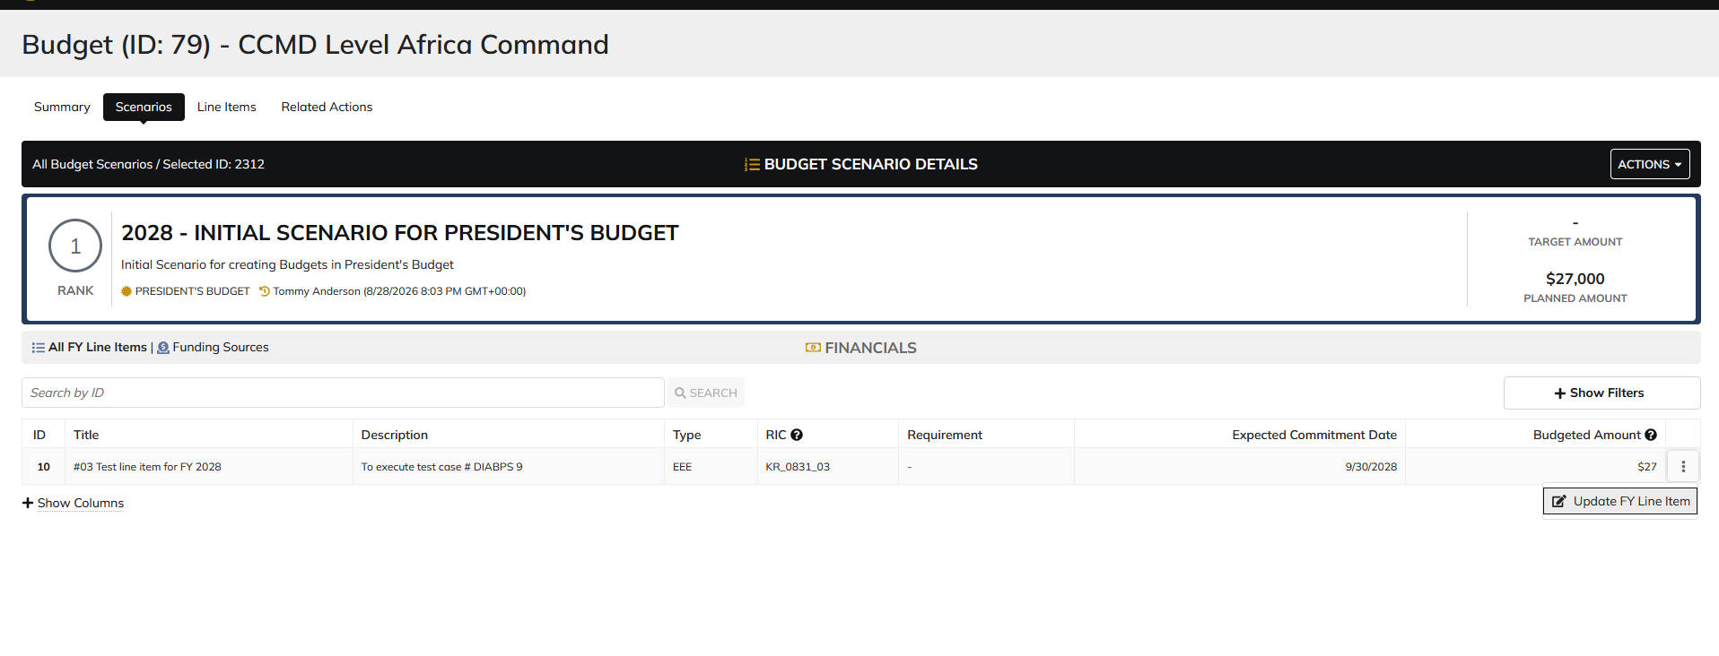
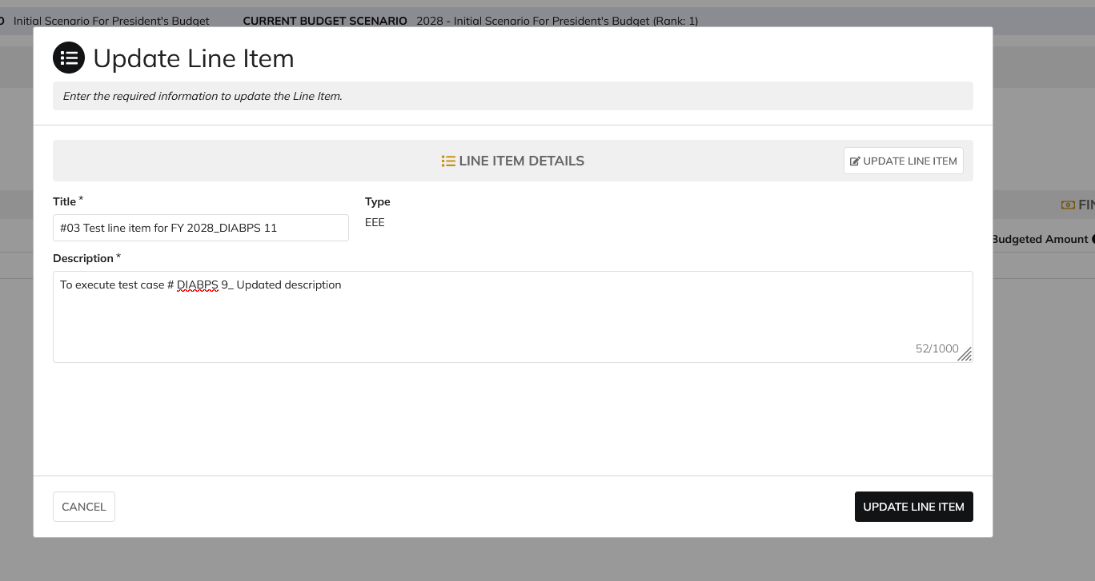
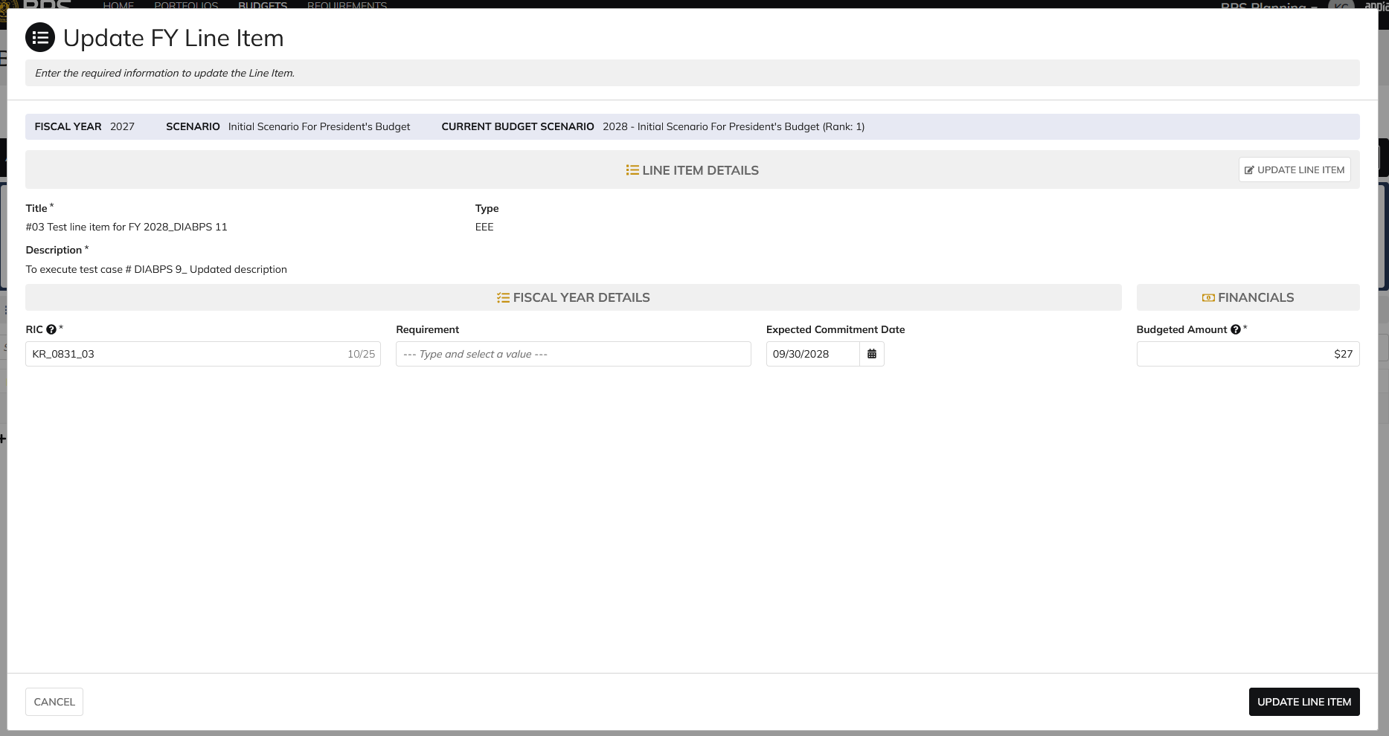

DIABPS Sprint 1.2 - DIABPS-11 TEST CASE SCENARIO |  | TESTER INFO
Test Case ID: | DIABPS_11#04 | Created By: | Kana Raghavan
Test Scenario: | A user with an appropriate role can update a Persistent line item | Created On: | 2026-08-24
User Story: | Update a Persistent line item | Reviewed By: | Jordan Helman
Story Description: | As a(n) Programming Admin, Manpower Admin, Resource Management Lead, Programming Lead, Manpower Lead, Programming Analyst, or Manpower Analyst, I can update a planning line item, persistent fields. | Reviewed On:
Environment: | GIBS Test | Executed By: | Kana Raghavan
User Role(s): | Resource Management Lead | Executed On: | 2026-09-09
Pre-Conditions: | User able to login to Planning module successfully as Resource Management lead who is assigned to specific Org
Acceptance Criteria | Acceptance Criteria: The user can update the following fields from https://gcg-jira.atlassian.net/browse/DIABPS-9: Title* Text field, 255 character limit Description* Text field, 1000 character limit The system will record the user who performed the action and the date and time it was performed.

Step Number | Step Description | Input Data | Expected Results | Pass/Fail
STEP 1 | Log in as a user with Resource Management lead credential. User should be assigned to a specific Org (ES/DS). https://ams-test.appiancloud.us/suite/ | Username: | User able to login successfully | Pass
STEP 2 | Click on GIBS Planning module on top right dropdown to launch Planning module | N/A | User able to click on dropdown and able to launch Planning module | Pass
STEP 3 | Click on Budgets Tab | N/A | Budget grid is displayed with Budget ID, Name, Org,Portfolio, Org.code and FY Planned | Pass
STEP 4 | Click on Budget ID hyperlink | N/A | Budget details is displayed with several tabs ( Scenarios,Scenario comparison, Funding sources,Line items, Staff review, history, documents and related actions) | Pass
STEP 5 | Click on Scenarios tab | N/A | User able to view Scenario summary grid | Pass
STEP 6 | Under "Selected Scenarios" column click on Dollar amount to view the line items associated with the scenario | N/A | Formulation scenario with the associated line items are displayed | Pass
STEP 7 | User clicks on 3 dots next to "Budgeted Amount" for that line item. Each line item is displayed for each scenario with "Update FY line" option | N/A | User able to hover over the 3 dots and click to open "Update FY line item" window. Window is displayed | Pass
STEP 8 | Update FY line item window is displayed with below fields: Fiscal Year, Scenario Current Budget Scenarios Line Item details Section FISCAL Year details User clicks on "Edit Details" option | N/A | User able to view all the fields in the update line time window | Pass
STEP 9 | User clicks on "Edit Details" option in Line Item details section and below pop up message is displayed "Enable Editing"? These line items are shared across all related fiscal year line items. Any updates made will apply to all related items. Are you sure to want to enable editing"? | Yes | User sees pop up message for editing the line item and clicks Yes | Pass
STEP 10 | Persistent line items "Title" and "Description" fields are available to edit. User able to edit fields and click on "Update line item" option | Title- Test update Description- This is to test case scenario # Type- Grant | User able to edit fields and complete update line item action successfully | Pass
STEP 11 | There are multiple ways to update Persistent line item. Above steps are from Scenarios section. Testing will be executed to update line items from Line items tab Programming Summary view Select Formulation scenario and Budget scenario Click on Line ID LIne Item details and FY Details tab is displayed Click on Actions button and update Line item Alternatively- Click on 3 dots next to the FY LINE ITEMS to begin editing | Title- Test update Description- This is to test case scenario # Type- Grant | User able to view Programming summary table and able to edit Persistent line items successfully | Pass

Evidences
 | Login as CCRM Resource Management Lead

Manpower lead
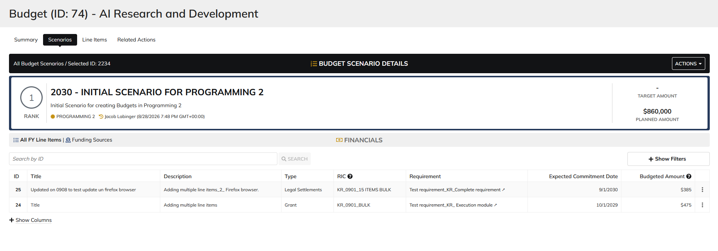
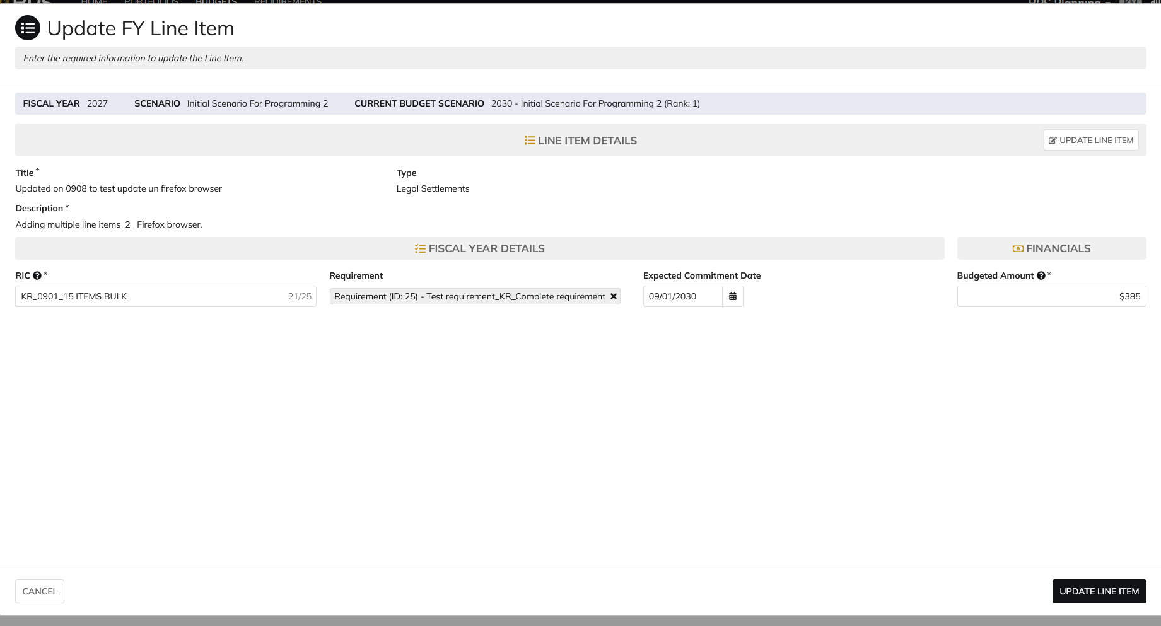
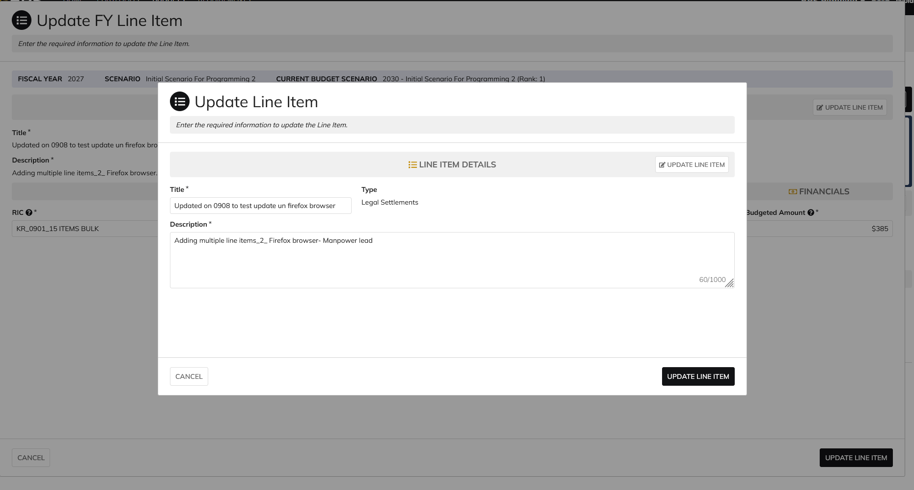
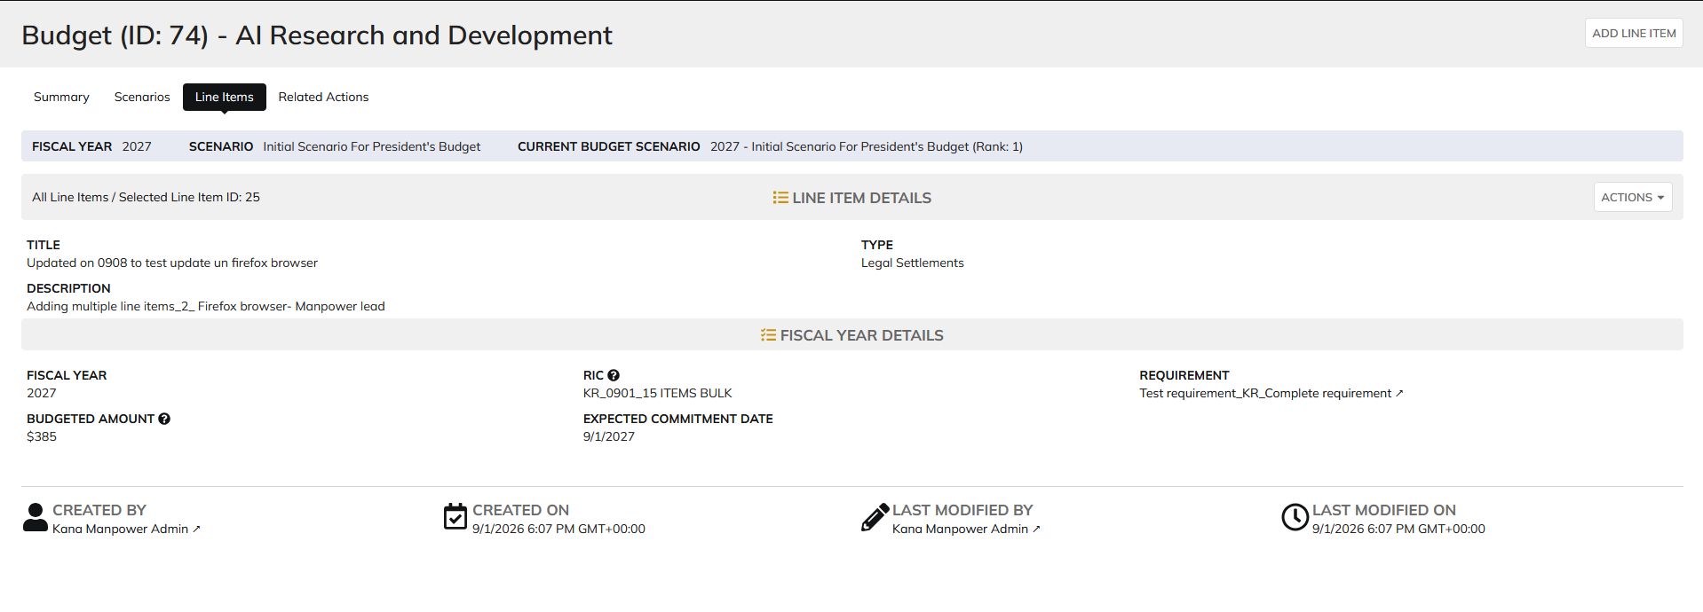
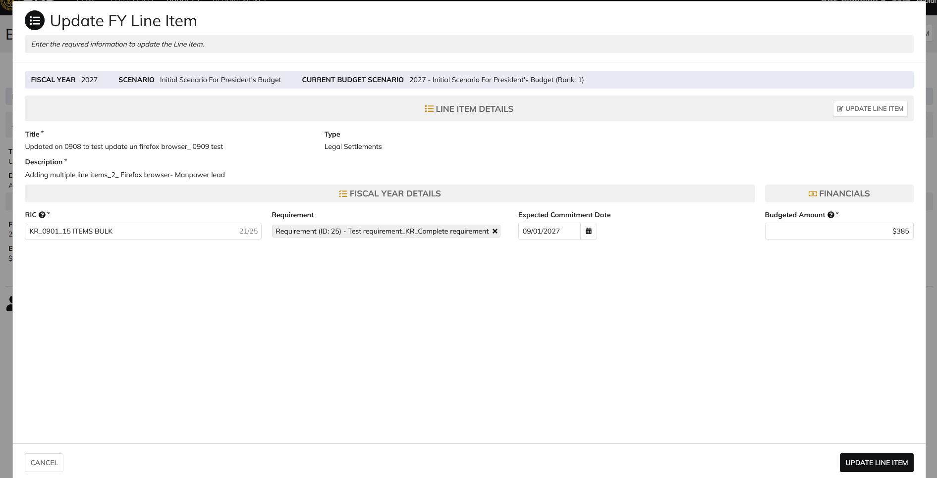
DIABPS Sprint 1.2 - DIABPS_11 TEST CASE SCENARIO |  | TESTER INFO
Test Case ID: | DIABPS_11#05 | Created By: | Kana Raghavan
Test Scenario: | A user with an appropriate role can update a Persistent line item | Created On: | 2026-08-24
User Story: | Update a Persistent Line item | Reviewed By: | Jordan Helman
Story Description: | As a(n) Programming Admin, Manpower Admin, Resource Management Lead, Programming Lead, Manpower Lead, Programming Analyst, or Manpower Analyst, I can update a planning line item, persistent fields. | Reviewed On:
Environment: | GIBS Test | Executed By: | Kana Raghavan
User Role(s): | Manpower lead for RMO | Executed On: | 2026-09-09
Pre-Conditions: | User able to login to Planning module successfully as Manpower Lead who is assigned to specific Org
Acceptance Criteria | Acceptance Criteria: The user can update the following fields from https://gcg-jira.atlassian.net/browse/DIABPS-9: Title* Text field, 255 character limit Description* Text field, 1000 character limit The system will record the user who performed the action and the date and time it was performed.

Step Number | Step Description | Input Data | Expected Results | Pass/Fail
STEP 1 | Log in as a user with Manpower lead credential. User should be assigned to a specific Org (ES/DS). https://ams-test.appiancloud.us/suite/ | Username: | User able to login successfully | Pass
STEP 2 | Click on GIBS Planning module on top right dropdown to launch Planning module | N/A | User able to click on dropdown and able to launch Planning module | Pass
STEP 3 | Click on Budgets Tab | N/A | Budget grid is displayed with Budget ID, Name, Org,Portfolio, Org.code and FY Planned | Pass
STEP 4 | Click on Budget ID hyperlink | N/A | Budget details is displayed with several tabs ( Scenarios,Scenario comparison, Funding sources,Line items, Staff review, history, documents and related actions) | Pass
STEP 5 | Click on Scenarios tab | N/A | User able to view Scenario summary grid | Pass
STEP 6 | Under "Selected Scenarios" column click on Dollar amount to view the line items associated with the scenario | N/A | Formulation scenario with the associated line items are displayed | Pass
STEP 7 | User clicks on 3 dots next to "Budgeted Amount" for that line item. Each line item is displayed for each scenario with "Update FY line" option | N/A | User able to hover over the 3 dots and click to open "Update FY line item" window. Window is displayed | Pass
STEP 8 | Update FY line item window is displayed with below fields: Fiscal Year, Scenario Current Budget Scenarios Line Item details Section FISCAL Year details User clicks on "Edit Details" option | N/A | User able to view all the fields in the update line time window | Pass
STEP 9 | User clicks on "Edit Details" option in Line Item details section and below pop up message is displayed "Enable Editing"? These line items are shared across all related fiscal year line items. Any updates made will apply to all related items. Are you sure to want to enable editing"? | Yes | User sees pop up message for editing the line item and clicks Yes | Pass
STEP 10 | Persistent line items "Title" and "Description" fields are available to edit. User able to edit fields and click on "Update line item" option | Title- Test update Description- This is to test case scenario # Type- Grant | User able to edit fields and complete update line item action successfully | Pass
STEP 11 | There are multiple ways to update Persistent line item. Above steps are from Scenarios section. Testing will be executed to update line items from Line items tab Programming Summary view Select Formulation scenario and Budget scenario Click on Line ID LIne Item details and FY Details tab is displayed Click on Actions button and update Line item Alternatively- Click on 3 dots next to the FY LINE ITEMS to begin editing | Title- Test update Description- This is to test case scenario # Type- Grant | User able to view Programming summary table and able to edit Persistent line items successfully | Pass

Evidences
 | Login as CIO Manpower lead

Programming Analyst
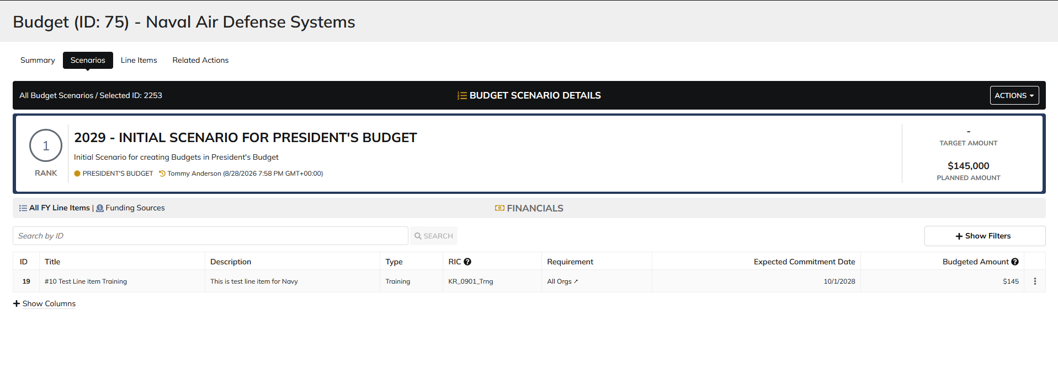
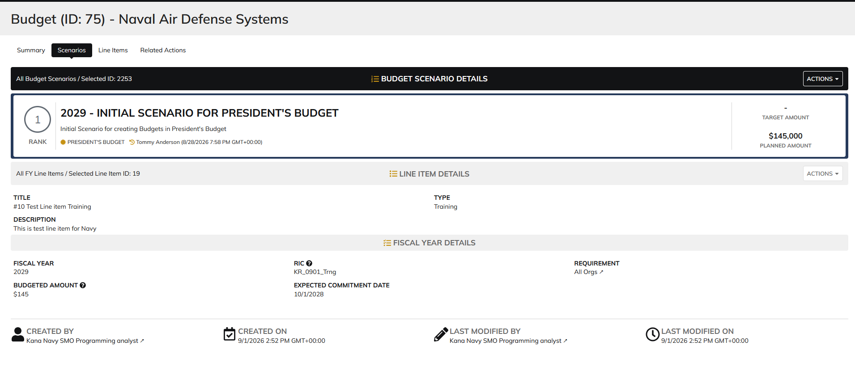
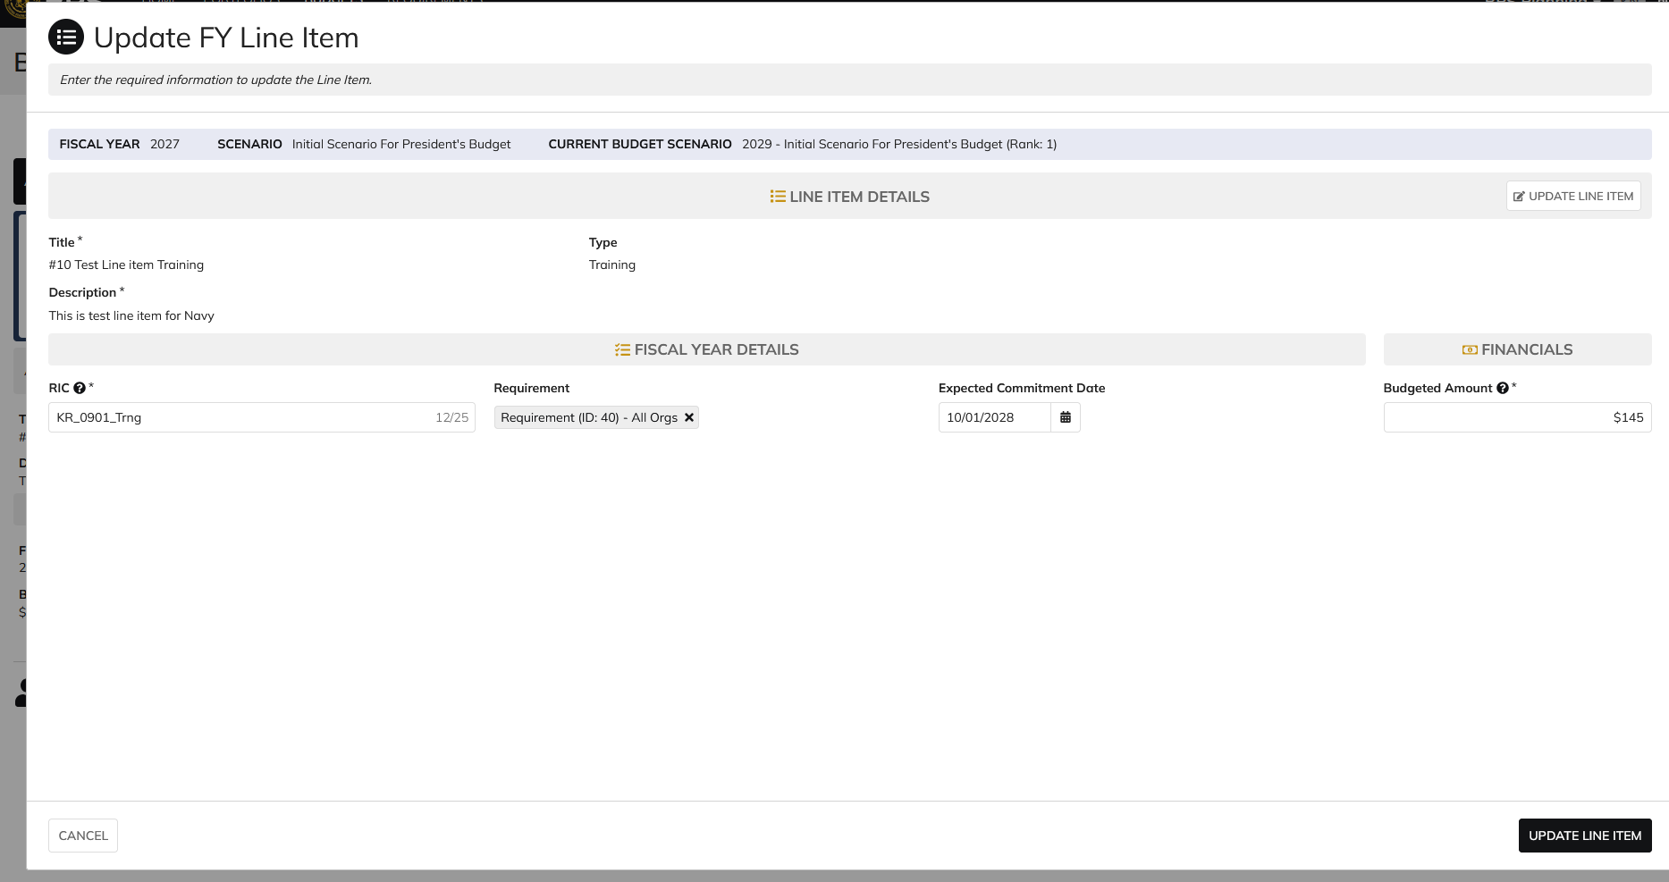
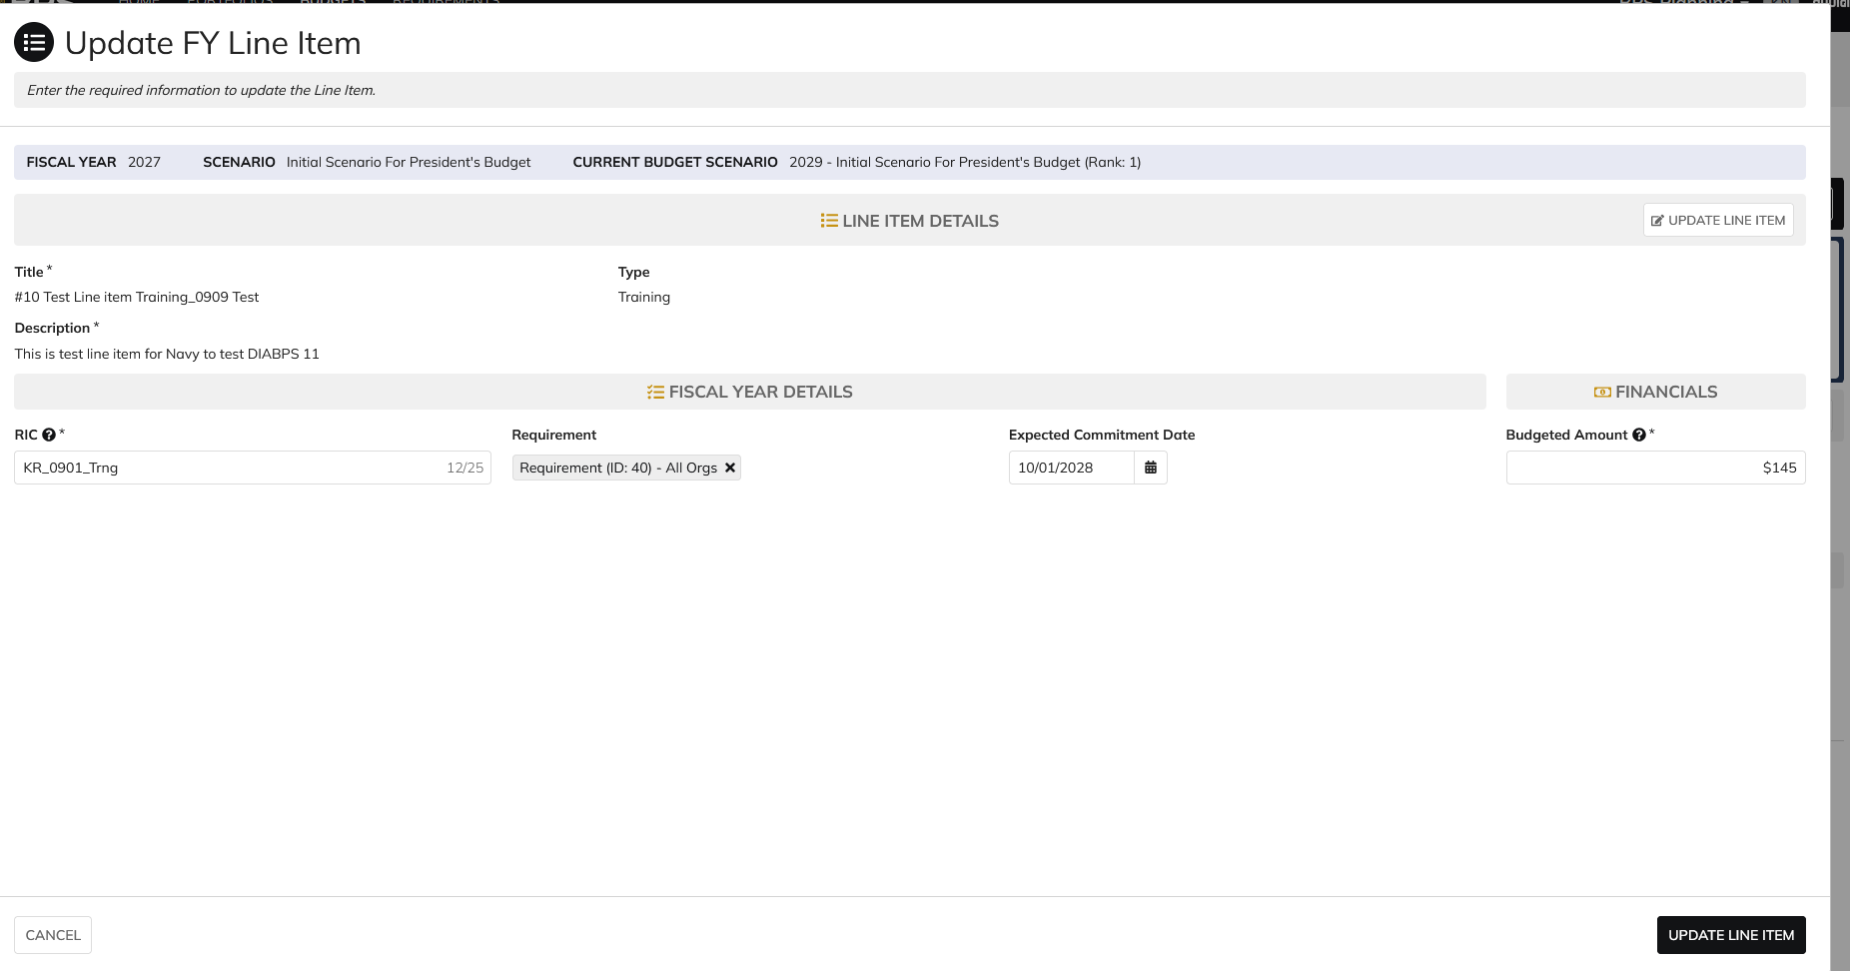
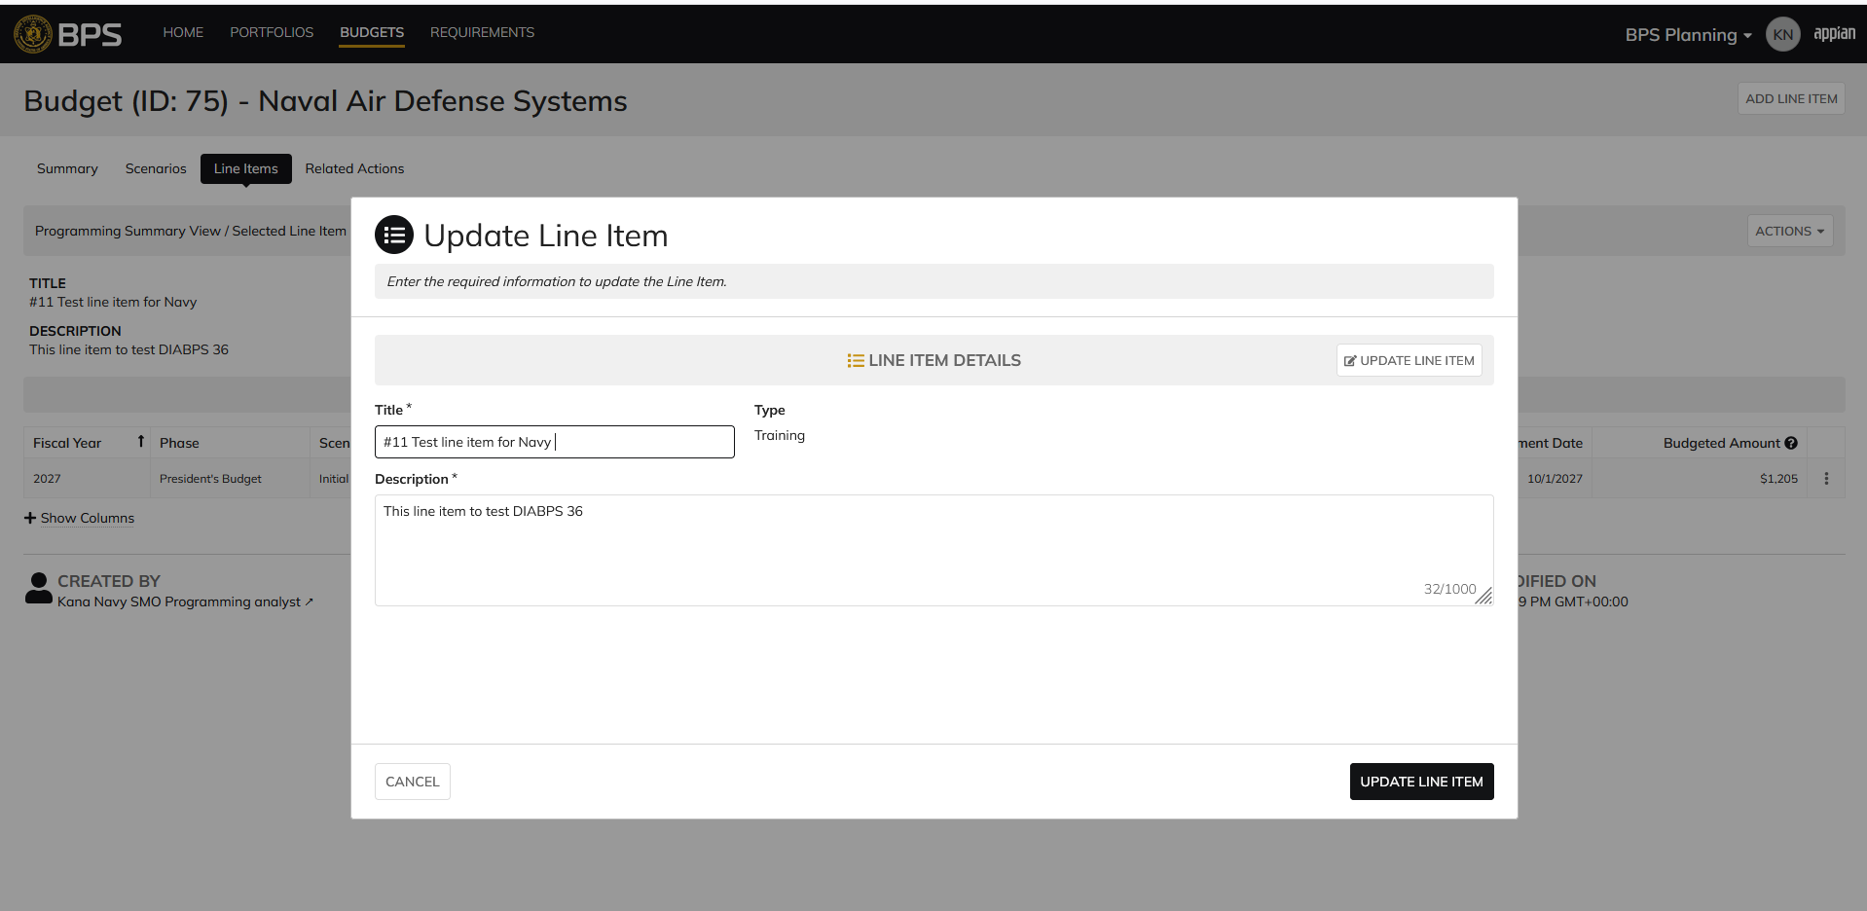
DIABPS Sprint 1.2 - DIABPS_11 TEST CASE SCENARIO |  | TESTER INFO
Test Case ID: | DIABPS_11#06 | Created By: | Kana Raghavan
Test Scenario: | A user with an appropriate role can update a Persistent line item | Created On: | 2026-08-24
User Story: | Update a Persistent line item | Reviewed By: | Jordan Helman
Story Description: | As a(n) Programming Admin, Manpower Admin, Resource Management Lead, Programming Lead, Manpower Lead, Programming Analyst, or Manpower Analyst, I can update a planning line item, persistent fields. | Reviewed On:
Environment: | GIBS Test | Executed By: | Kana Raghavan
User Role(s): | Programming Analyst for (ES/DS) Org | Executed On: | 2026-09-09
Pre-Conditions: | User able to login to Planning module successfully as Programming Analyst who is assigned to specific Org
Acceptance Criteria | Acceptance Criteria: The user can update the following fields from https://gcg-jira.atlassian.net/browse/DIABPS-9: Title* Text field, 255 character limit Description* Text field, 1000 character limit The system will record the user who performed the action and the date and time it was performed.

Step Number | Step Description | Input Data | Expected Results | Pass/Fail
STEP 1 | Log in as a user with Programming Analyst credential. User should be assigned to a specific Org (ES/DS). https://ams-test.appiancloud.us/suite/ | Username: | User able to login successfully | Pass
STEP 2 | Click on GIBS Planning module on top right dropdown to launch Planning module | N/A | User able to click on dropdown and able to launch Planning module | Pass
STEP 3 | Click on Budgets Tab | N/A | Budget grid is displayed with Budget ID, Name, Org,Portfolio, Org.code and FY Planned | Pass
STEP 4 | Click on Budget ID hyperlink | N/A | Budget details is displayed with several tabs ( Scenarios,Scenario comparison, Funding sources,Line items, Staff review, history, documents and related actions) | Pass
STEP 5 | Click on Scenarios tab | N/A | User able to view Scenario summary grid | Pass
STEP 6 | Under "Selected Scenarios" column click on Dollar amount to view the line items associated with the scenario | N/A | Formulation scenario with the associated line items are displayed | Pass
STEP 7 | User clicks on 3 dots next to "Budgeted Amount" for that line item. Each line item is displayed for each scenario with "Update FY line" option | N/A | User able to hover over the 3 dots and click to open "Update FY line item" window. Window is displayed | Pass
STEP 8 | Update FY line item window is displayed with below fields: Fiscal Year, Scenario Current Budget Scenarios Line Item details Section FISCAL Year details User clicks on "Edit Details" option | N/A | User able to view all the fields in the update line time window | Pass
STEP 9 | User clicks on "Edit Details" option in Line Item details section and below pop up message is displayed "Enable Editing"? These line items are shared across all related fiscal year line items. Any updates made will apply to all related items. Are you sure to want to enable editing"? | Yes | User sees pop up message for editing the line item and clicks Yes | Pass
STEP 10 | Persistent line items "Title" and "Description" fields are available to edit. User able to edit fields and click on "Update line item" option | Title- Test update Description- This is to test case scenario # Type- Grant | User able to edit fields and complete update line item action successfully | Pass
STEP 11 | There are multiple ways to update Persistent line item. Above steps are from Scenarios section. Testing will be executed to update line items from Line items tab Programming Summary view Select Formulation scenario and Budget scenario Click on Line ID LIne Item details and FY Details tab is displayed Click on Actions button and update Line item Alternatively- Click on 3 dots next to the FY LINE ITEMS to begin editing | Title- Test update Description- This is to test case scenario # Type- Grant | User able to view Programming summary table and able to edit Persistent line items successfully | Pass

Evidences
 | Login as Services Programming Analyst(SMO)

Manpower Analyst
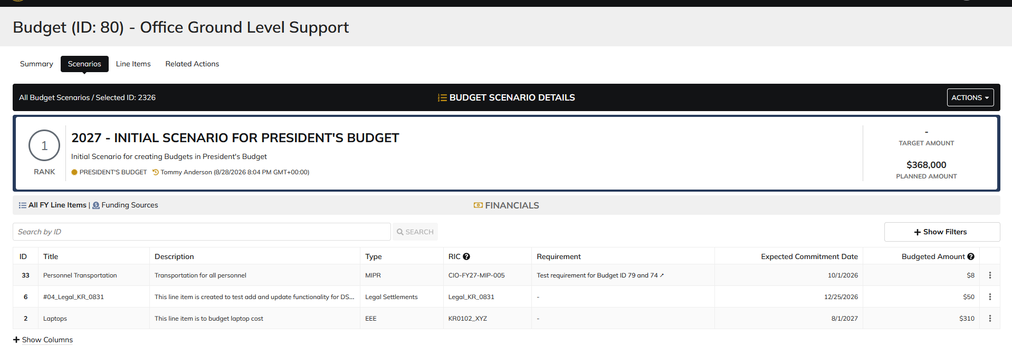
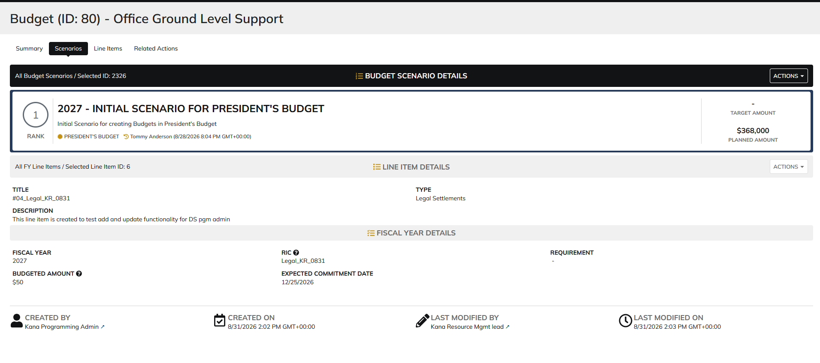
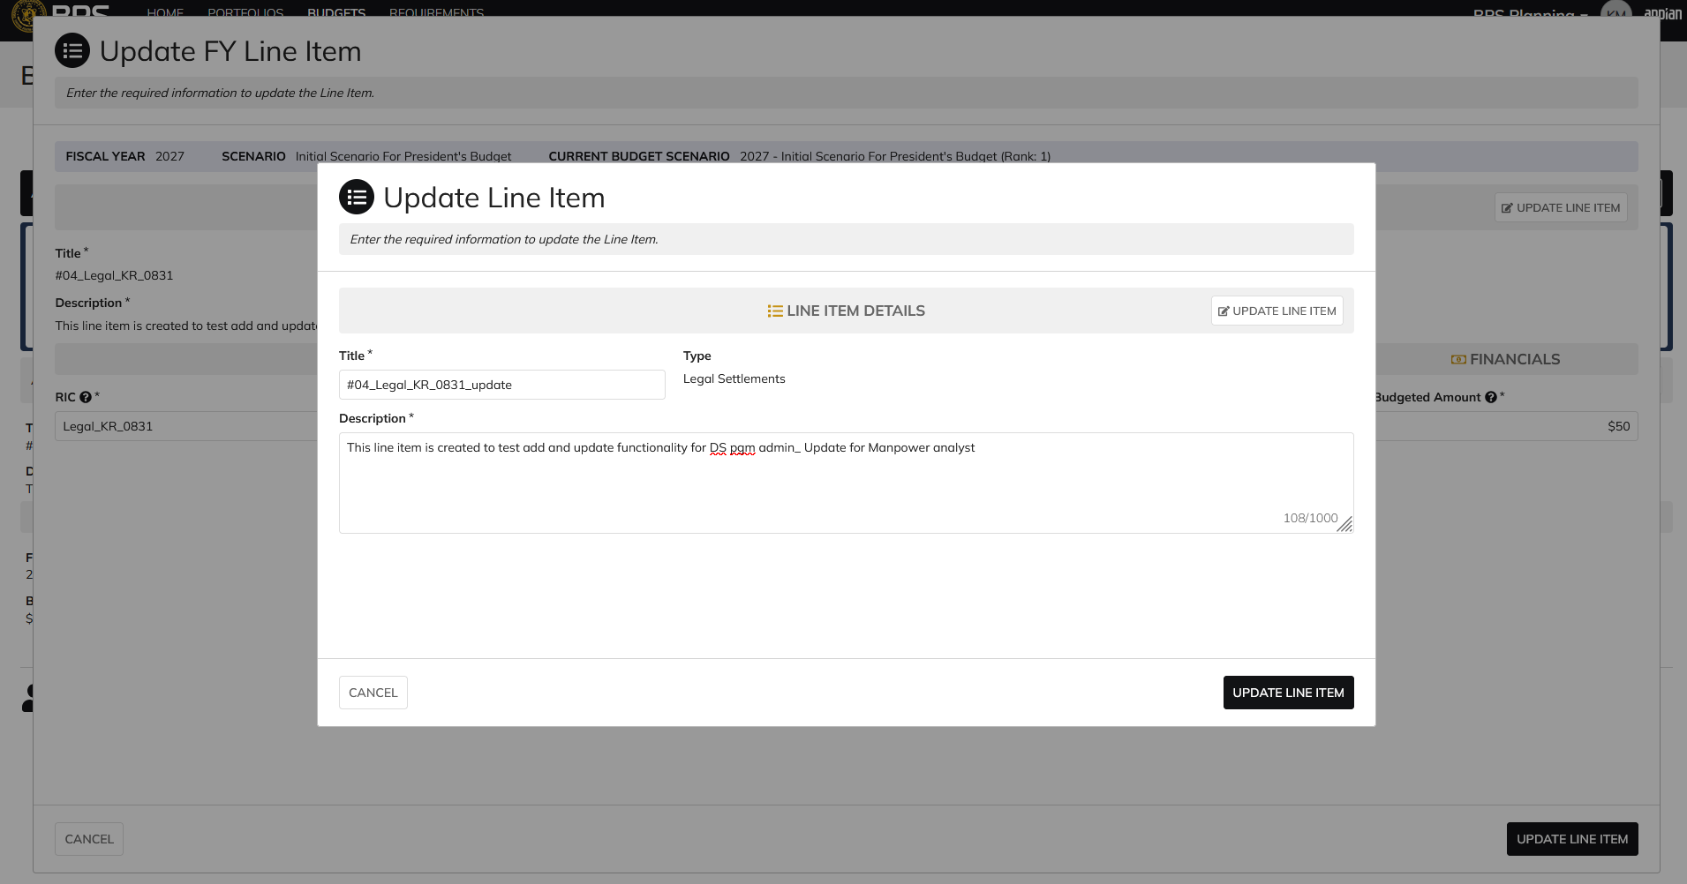
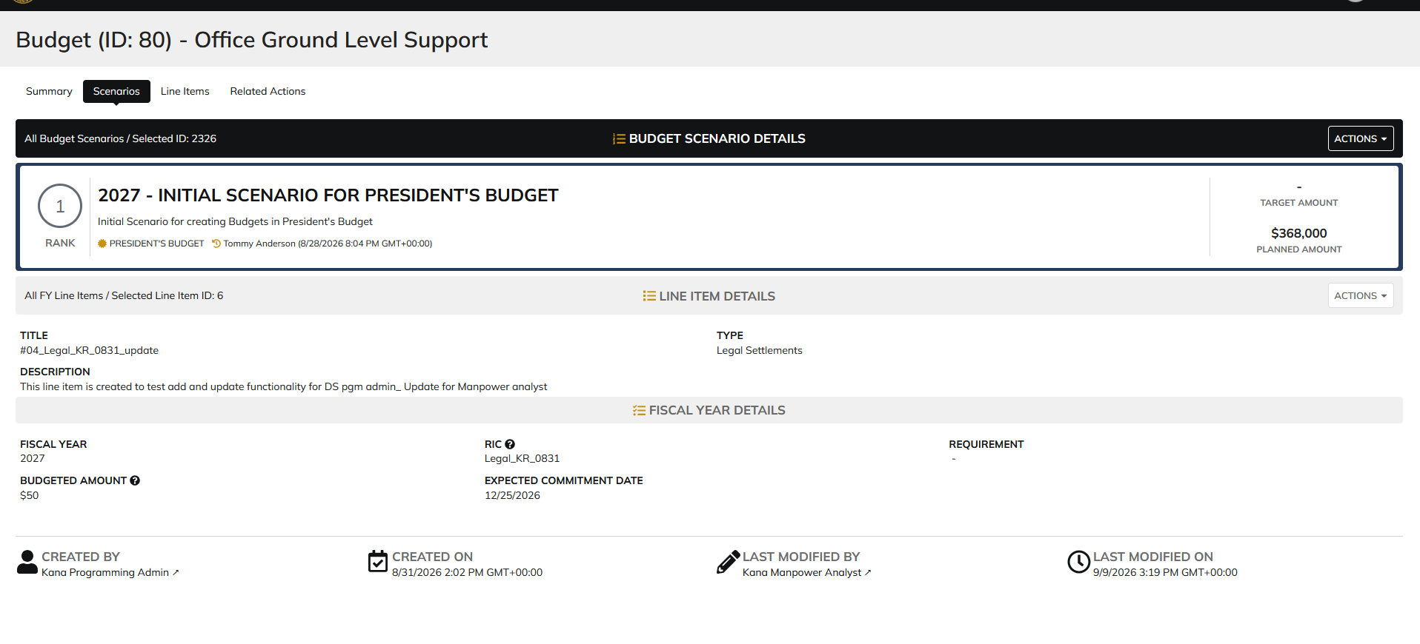
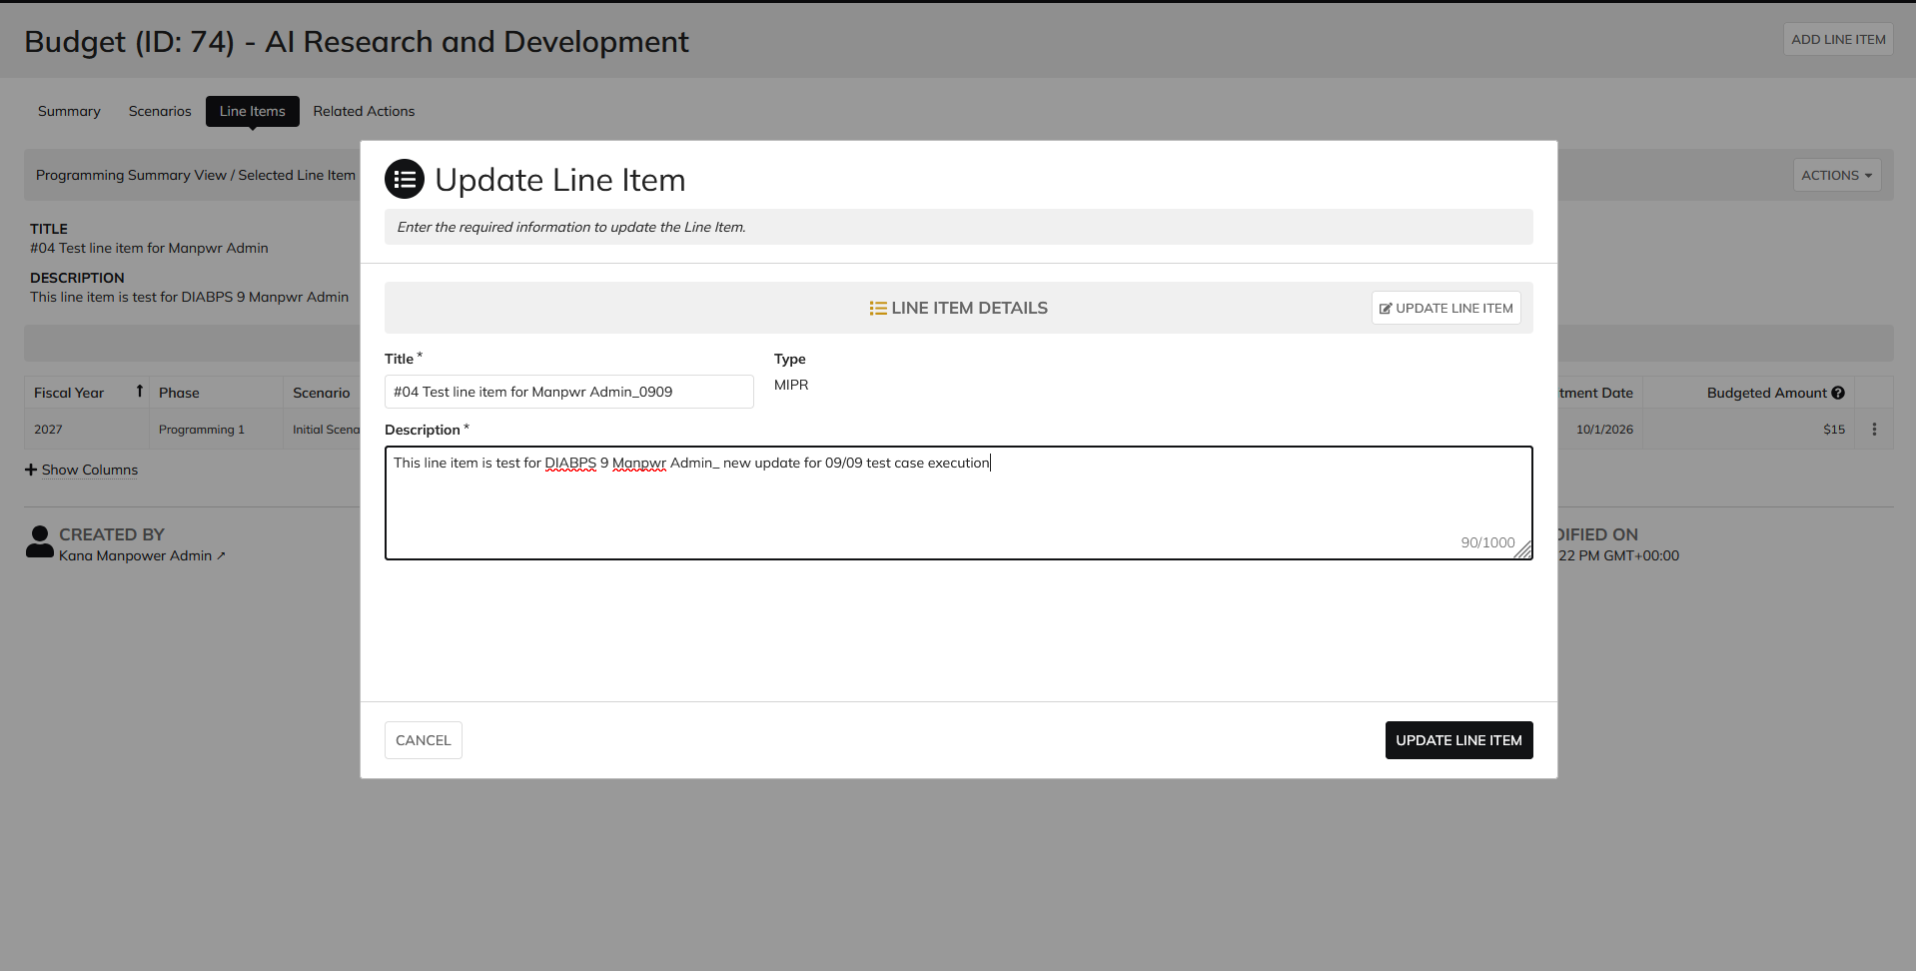
DIABPS Sprint 1.2 - DIABPS-11 TEST CASE SCENARIO |  | TESTER INFO
Test Case ID: | DIABPS_11#07 | Created By: | Kana Raghavan
Test Scenario: | A user with an appropriate role can update a Persistent line item | Created On: | 2026-08-24
User Story: | Update a Persistent Line Item | Reviewed By: | Jordan Helman
Story Description: | As a(n) Programming Admin, Manpower Admin, Resource Management Lead, Programming Lead, Manpower Lead, Programming Analyst, or Manpower Analyst, I can update a planning line item, persistent fields. | Reviewed On:
Environment: | GIBS Test | Executed By: | Kana Raghavan
User Role(s): | Manpower Analyst for RMO | Executed On: | 2026-09-09
Pre-Conditions: | User able to login to Planning module successfully as Manpower Analyst who is assigned to specific Org
Acceptance Criteria | Acceptance Criteria: The user can update the following fields from https://gcg-jira.atlassian.net/browse/DIABPS-9: Title* Text field, 255 character limit Description* Text field, 1000 character limit The system will record the user who performed the action and the date and time it was performed.

Step Number | Step Description | Input Data | Expected Results | Pass/Fail
STEP 1 | Log in as a user with Manpower Analyst credential. User should be assigned to a specific Org (ES/DS). https://ams-test.appiancloud.us/suite/ | Username: | User able to login successfully | Pass
STEP 2 | Click on GIBS Planning module on top right dropdown to launch Planning module | N/A | User able to click on dropdown and able to launch Planning module | Pass
STEP 3 | Click on Budgets Tab | N/A | Budget grid is displayed with Budget ID, Name, Org,Portfolio, Org.code and FY Planned | Pass
STEP 4 | Click on Budget ID hyperlink | N/A | Budget details is displayed with several tabs ( Scenarios,Scenario comparison, Funding sources,Line items, Staff review, history, documents and related actions) | Pass
STEP 5 | Click on Scenarios tab | N/A | User able to view Scenario summary grid | Pass
STEP 6 | Under "Selected Scenarios" column click on Dollar amount to view the line items associated with the scenario | N/A | Formulation scenario with the associated line items are displayed | Pass
STEP 7 | User clicks on 3 dots next to "Budgeted Amount" for that line item. Each line item is displayed for each scenario with "Update FY line" option | N/A | User able to hover over the 3 dots and click to open "Update FY line item" window. Window is displayed | Pass
STEP 8 | Update FY line item window is displayed with below fields: Fiscal Year, Scenario Current Budget Scenarios Line Item details Section FISCAL Year details User clicks on "Edit Details" option | N/A | User able to view all the fields in the update line time window | Pass
STEP 9 | User clicks on "Edit Details" option in Line Item details section and below pop up message is displayed "Enable Editing"? These line items are shared across all related fiscal year line items. Any updates made will apply to all related items. Are you sure to want to enable editing"? | Yes | User sees pop up message for editing the line item and clicks Yes | Pass
STEP 10 | Persistent line items "Title" and "Description" fields are available to edit. User able to edit fields and click on "Update line item" option | Title- Test update Description- This is to test case scenario # Type- Grant | User able to edit fields and complete update line item action successfully | Pass
STEP 11 | There are multiple ways to update Persistent line item. Above steps are from Scenarios section. Testing will be executed to update line items from Line items tab Programming Summary view Select Formulation scenario and Budget scenario Click on Line ID LIne Item details and FY Details tab is displayed Click on Actions button and update Line item Alternatively- Click on 3 dots next to the FY LINE ITEMS to begin editing | Title- Test update Description- This is to test case scenario # Type- Grant | User able to view Programming summary table and able to edit Persistent line items successfully | Pass

Evidences
 | Login as Manpower Analyst

